Sheet1
 |  | Document No. | Issue No. | Issue Date |  |  | Review and Replace Date |  | Authorised By
 |  | GFF238-1MC | 2 | 17.10.2022 |  |  | 27.10.2022 |  | Magda Shah
 |  | Document Title | PRM-5 Vegetable Samosa 200g

Document amendments reason for change |  | Film updated |  | Page 1 of 1 |  | Previous Issue Date |  | 17.10.2022 | Uncontrolled copy unless signed original

CVSA1C-R6T | GAZEBO-PRM |  | 5 Vegetable Samosa 200g

 |  |  |  |  | 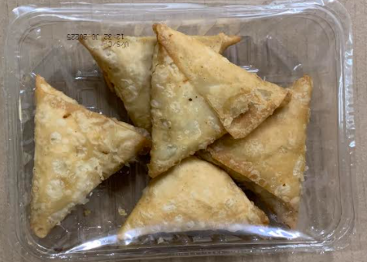

Tray: SK4 Plain Clear (PKESS001-07) |  |  |  |  | Vegetable Samosa (GFF003R) 40g: 5 pieces
Film: K-peel 7G+25A/f-275mm (PKKMP001-03) |  |  |  |  | Total Weight: 200g
ALLERGY ALERT: WHEAT

